What is Ternary Scatter Plot
WHAT IS TERNARY SCATTER PLOT | REFERENCE

❶A ternary plot depicts the ratios of three variables as positions in an equilateral triangle. In Which at Any Intersetion of These 3 Variable in Equilateral Triangle Exhibit Proportion of Each & Every Variable 's Composition against Other. So Here Scaling either 0 to 1 or 0% to 100% . Ex Proportion or Compostion in Three Variable (Sand , Silt , Clay) ~ (20% ,50%,30%) | ⇰REFERENCE (Website) --> Plotly Regarding Thereotical & Practical Implementation (Coding) of Ternary Plot

❷Basically in Simple Word A ternary plot is a triangular plot of three variables which must sum to a constant value,In most cases the ratios of the three variables are plotted as points on an equilateral triangle.

 | ⇰REFERENCE (Website)-->Ambisense Regarding Tenary Plot ( Thereotical & Practical Coding of Ternary Plot)

❸In Simple Words According to Medium & Geeks for Geeks They’re a two-dimensional representation where all the three variables are encoded by their positions to three connected axes, in the shape of a triangle.

 | ⇰REFERENCE (Website)-->Medium Regarding Basics of & Practical Implementation (Coding) Ternary plots with Python’s Plotly
❹According to Geeks for Geeks ternary plot is also known as a ternary graph, triangle plot, simplex plot which is a barycentric plot on three variables which sum to a constant. It graphically depicts the ratios of the three variables as positions in an equilateral triangle. It can be created using two-class i.e. express class and graph_objects class.

 | ⇰REFERENCE (Website)-->Geeks for Geeks Regarding Thereotical & Practical Implementation (Coding) of Ternary Plot
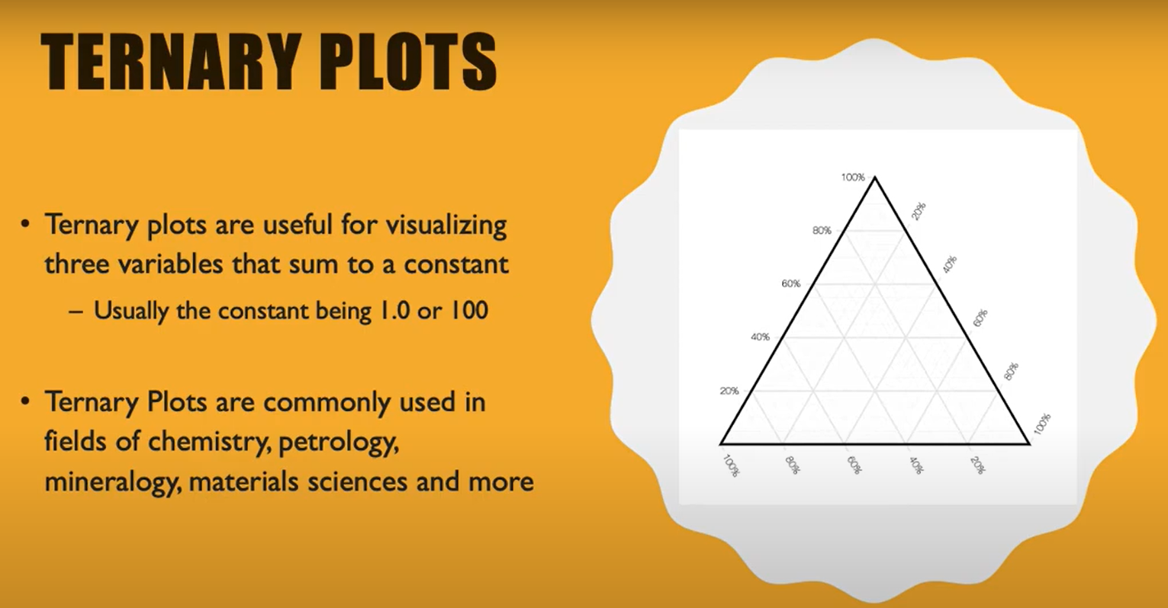

 | ⇰REFERENCE (You Tube) -->Learn Ternary Plots! Regarding Practical Implementation of How to Read & Understand Ternary Plot in Plotly

 | ⇰REFERENCE (Website)--> Stack Overflow Regarding How to create soil texture ternary plot?

WHERE TERNARY SCATTER PLOT USED ?

❶It is used in physical chemistry, petrology, mineralogy, metallurgy, and other physical sciences to show the compositions of systems composed of three species. In population genetics, a triangle plot of genotype frequencies is called a de Finetti diagram. | ⇰REFERENCE (Website)-->Wikipedia Regarding Practical Usage of Ternary Plot in Different Field or Aspect

 | ⇰REFERENCE (Website)-->Medium Regarding Basics of & Practical Implementation (Coding) Ternary plots with Python’s Plotly

HOW TO READ & UNDERSTAND TERNARY SCATTER PLOT

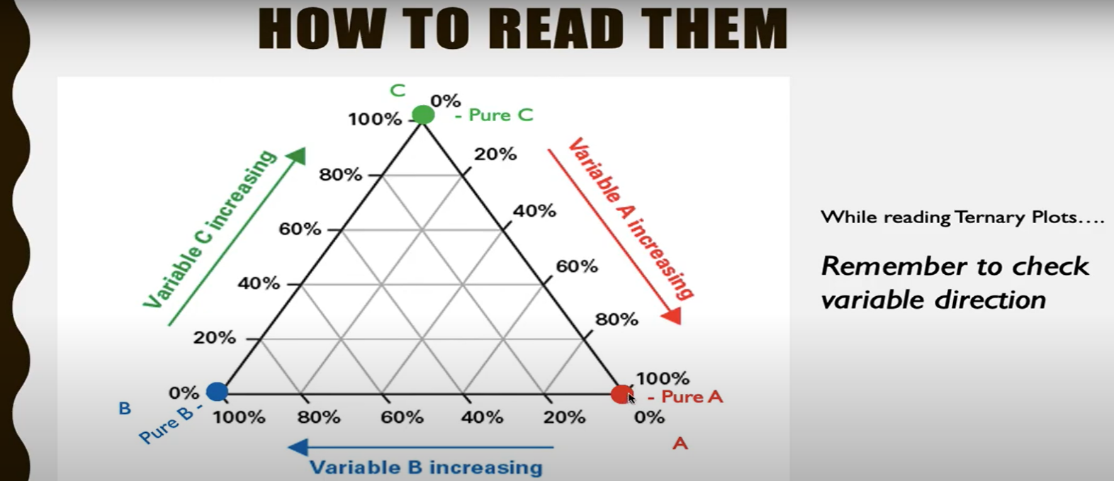 | ⇰REFERENCE (You Tube) --> Learn Ternary Plots Regarding How to Read & Understand Ternary Plots

 | ⇰REFERENCE (Website) --> Plotly Regarding Thereotical & Practical Implementation (Coding) of Ternary Plot

 | ⇰REFERENCE (Website)-->Ambisense Regarding Tenary Plot ( Thereotical & Practical Coding of Ternary Plot)

 | ⇰REFERENCE (Website)-->Medium Regarding Basics of & Practical Implementation (Coding) Ternary plots with Python’s Plotly
LET'S UNDERSTAND TERNARY PLOT WITH EXAMPLE

⇰A Measurement of Sand , Silt & Clay in Soil Sample In Other Word Texture composition of soil samples for each soil survey utilized in developing the database overlain on texture ternary diagram.

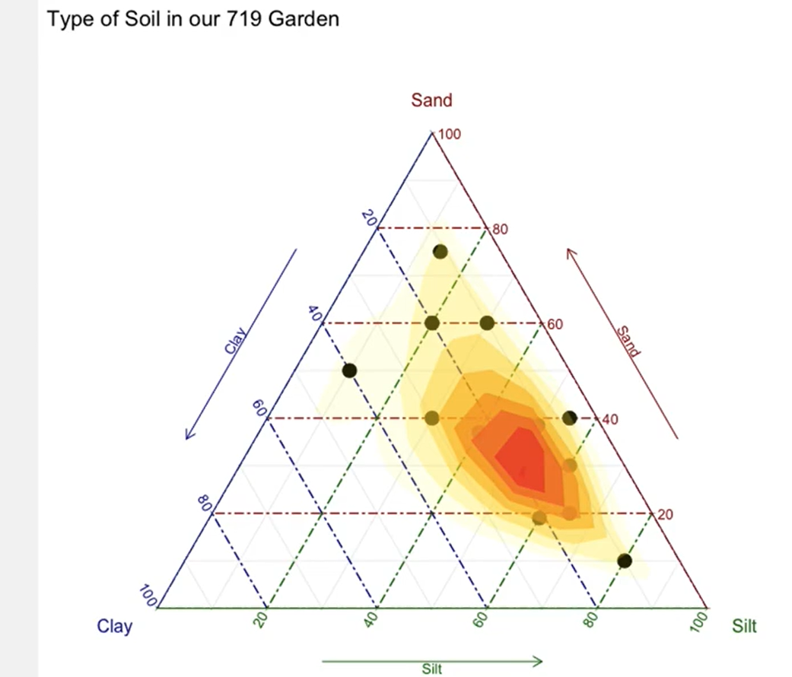 | ⇰REFERENCE (Website)-->Geeks for Geeks Regarding Thereotical & Practical Implementation (Coding) of Ternary Plot

 | ⇰REFERENCE (You Tube) -->Learn Ternary Plots! Regarding Practical Implementation of How to Read & Understand Ternary Plot in Plotly

 | ⇰REFERENCE (Website)-->Medium Regarding Basics of & Practical Implementation (Coding) Ternary plots with Python’s Plotly

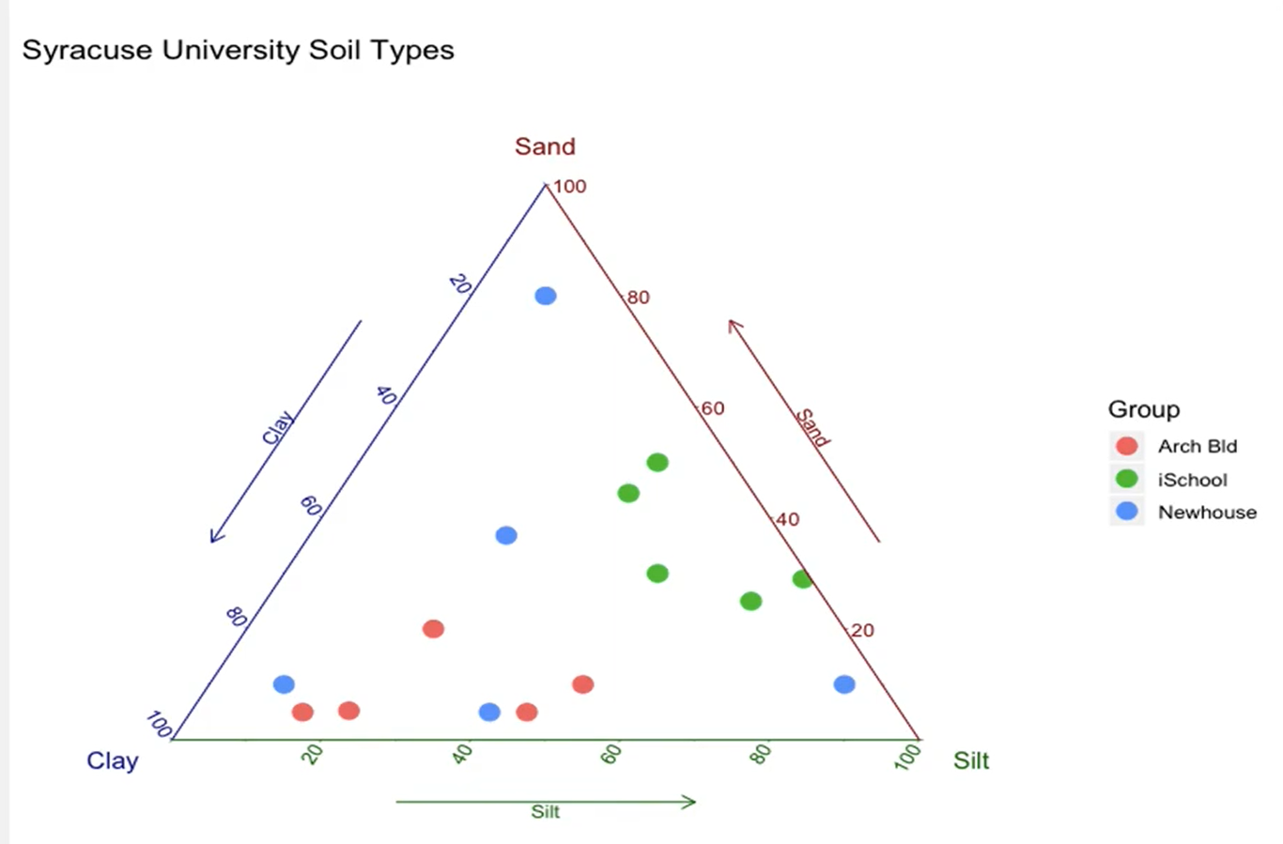
 | ⇰REFERENCE (You Tube) --> Learn Ternary Plots Regarding How to Read & Understand Ternary Plots

 | ⇰REFERENCE (Website) --> Plotly Regarding Thereotical & Practical Implementation (Coding) of Ternary Plot

 | ⇰REFERENCE (Website)-->Geology is the way Regarding How to Use Ternary Plot

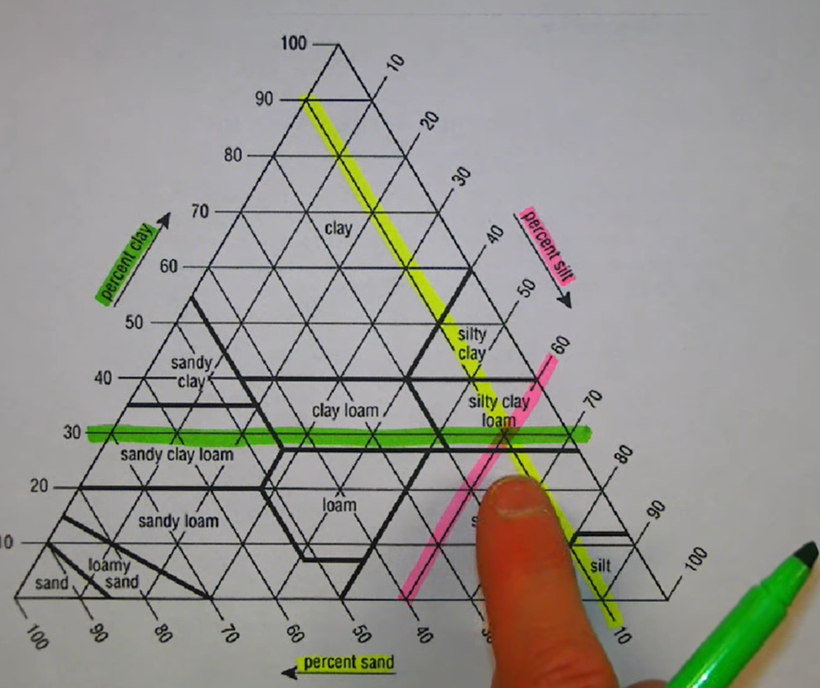 | ⇰REFERENCE (You Tube) -->Paul Scott Regarding How to Read & Understand Ternary Plot

 | ⇰REFERENCE (You Tube) -->Learn Ternary Plots! Regarding Practical Implementation of How to Read & Understand Ternary Plot in Plotly

 | ⇰REFERENCE (Website)--> Stack Overflow Regarding How to create soil texture ternary plot?

Hyper Param for Ternary Plot
PLOTLY TERNARY SCATTER PLOT

HYPER PARAMETER FOR PLOTLY TERNARY SCATTER PLOT | REFERENCE

①HYPER PARAMETERS FOR PLOTLY TERNARY PLOT WITH ALL BASIC HYPER PARAMETERS TUNING

 | ⇰REFERENCE (Website)--> Plotly Regarding Snapshot of Hyper Parameter of Plotly Ternary Scatter Plot

 | ⇰REFERENCE (Website)--> Plotly Regarding Total No of Available Plots in Plotly

 | ⇰REFERENCE (Website)-->Wikpedia Regarding Basic Thereotical Knowledge of Plotly Ternary Scatter Plot

⇰data_frame (df) ❶ A DataFrame is a data structure that organizes data into a 2-dimensional table of rows and columns, much like a spreadsheet. ❷We know pandas is built on numpy but pandas make data more interactive & informative set of data that's although information is same but in pandas data is more intaractive and meaningful because of information is present in data frame (with labels and index ) so labels on rows & columns yield more meaningful information as compared to numpy . | ⇰REFERENCE (Website)--> Google Colab 1.10 Introduction to Pandas Regarding Definition of Dataframe Example

 | ⇰REFERENCE (Website)--> W3SCHOOL Regarding Thereotical & Practical Definition of Data Frame

 | ⇰REFERENCE (Website)-->Geeks for Geeks Regarding Ternary Scatter Plot Used in Plotly

 | ⇰REFERENCE (Website)-->Medium Regarding Basics of & Practical Implementation (Coding) Ternary plots with Python’s Plotly

①HYPER PARAMETERS FOR PLOTLY TERNARY SCATTER PLOT WITH ALL BASIC HYPER PARAMETERS TUNING

➡EXAMPLE (Plotly) Here we use px.scatter_ternary to visualize the three-way split between the three major candidates in a municipal election. Their Name Joly , Coderre , Bergerson | ⇰REFERENCE (Website)-->Plotly Regarding All The Basic Hyper Parameters fo Ternary Scatter Please Especially (a,b,c coordinates in Ternary Coordinate System)

⇰ a (str or int or Series or array-like) ❶ Either a name of a column in data_frame, or a pandas Series or array_like object.Values from this column or array_like are used to position marks along the a axis in ternary coordinates. [A ,B,C] Like [A =Joly] ,[B=Coderre] ,[C=Bergeron].

 | ⇰REFERENCE (Website)--> Plotly Regarding Snapshot of Hyper Parameter of Plotly Ternary Scatter Plot
⇰b (str or int or Series or array-like) ❶Either a name of a column in data_frame, or a pandas Series or array_like object. Values from this column or array_like are used to position marks along the b axis in ternary coordinates.Ex [B=Coderre]

 | ⇰REFERENCE (Website)--> Plotly Regarding Total No of Available Plots in Plotly
⇰c (str or int or Series or array-like) – ❶ Either a name of a column in data_frame, or a pandas Series or array_like object. Values from this column or array_like are used to position marks along the c axis in ternary coordinates. Ex [C=Bergerson]

 | ⇰REFERENCE (Website)--> 1.2 (Google Colab) Plotly Intermediate Regarding Practical Implementation & (Coding) of Ternary Plot With Basic Hyper Parameter

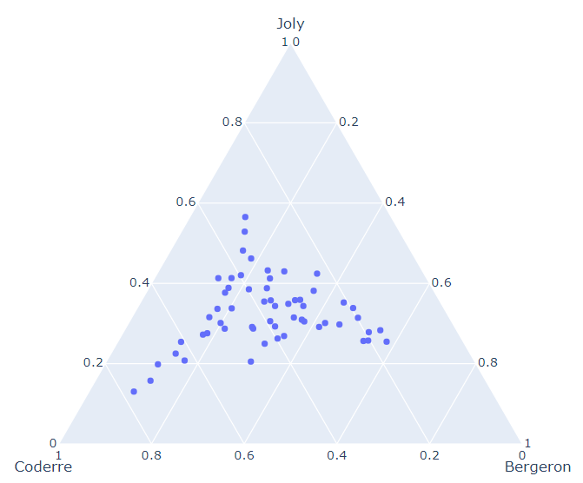

 | ⇰REFERENCE (Website)--> Amazon Web Services (AWS) Regarding Proper Thereotical Definition of Ternary Scatter Plot

 | ⇰REFERENCE (Website)-->Geeks for Geeks Regarding Ternary Scatter Plot Used in Plotly

②HYPER PARAMETERS FOR PLOTLY TERNARY PLOT WITH HYPER PARAMETERS FOR MARKER SIZE ,COLOR & HOVERING DATA & HOVERING NAMES & PARAMETERS OF LAYOUT ,OPACITY,SIZING OF PLOT AS WELL AS TITLE

⇰size (str or int or Series or array-like) ❶Either a name of a column in data_frame, or a pandas Series or array_like object. Values from this column or array_like are used to assign mark sizes. Basically in these Condition size & Color Are Inter related Due to Data is Exhibited depend upon Mark Size. | ⇰REFERENCE (Website)--> Plotly Regarding Snapshot of Hyper Parameter of Plotly Ternary Scatter Plot

⇰size_max((int (default 20)) ❶Set the maximum mark size when using size. | ⇰REFERENCE (Website)--> Plotly Regarding Total No of Available Plots in Plotly

 | ⇰REFERENCE (Excel Sheet)-->Plotly Scatter Plot Excel Sheet Regarding Various Hyper Parameter Like Hovering , Colour ,Size,Size_Max
⇰color (str or int or Series or array-like) ❶Either a name of a column in data_frame, or a pandas Series or array_like object. Values from this column or array_like are used to assign color to marks.

⇰hover_name() ❶Either a name of a column in data_frame, or a pandas Series or array_like object. Values from this column or array_like appear in bold in the hover tooltip.Basically At Time When Mouse Cursor Hovered Around Plot We Can see that various Column data in Single Bubble On the Top of that with name of column 's data that we want to specify in bold letter (Above top notch).
 | ⇰REFERENCE (Website)--> Amazon Web Services (AWS) Regarding Proper Thereotical Definition of Ternary Scatter Plot

⇰title (str) – The figure title.
⇰width (int (default None)) ❶The figure width in pixels. (Basically By Default Length * Breath ) By 800*600
 | ⇰REFERENCE (Website)-->Geeks for Geeks Regarding Ternary Scatter Plot Used in Plotly
⇰height (int (default None)) ❶The figure height in pixels. (Basically By Default Length * Breath) By 800*600

⇰opacity ❶opacity (float) – Value between 0 and 1. Sets the opacity for markers.

 | ⇰REFERENCE (Excel Sheet) --> Excel Sheet (1.3 Matplotlib Style) Regarding Customizing Colour By HEX Code Means
⇰ color_discrete_sequence=px.colors.sequential.Plasma_r Or #fdcas26 ,#fb9f3a & so on … ❶The Plotly Express color_discrete_sequence argument accepts explicitly-constructed color sequences as well, as lists of CSS colors: In [9]: import plotly.express as px df = px. data. gapminder(). Basically in Other Word Creating & Choosing Number of HEX Code & Plotting Same as we have done in Upcoming example. In Simpler Word Basically any customized colour you can search and use them while plotting just copy that specific code & assigning them against colour.But realistically, you may want to do your own custom color. Instead of Using Syntax or Actual Colour That is not going to be a standard string color like purple.So can we do what we can pass in what's known as an RGB hex code?& it's basically a formula for how much of red, green and blue go inside a color. Basically Making Our Own Colour By Mixing Other Colour Like (How we Perform in Excel Custom Colours).

 | ⇰REFERENCE (Website)-->RGB (HTML Colors) Hex Code Regarding Custom Colour Picker

 | ⇰REFERENCE (Website)-->RGB Hex Colours Regarding RGB Hex Colour Picker

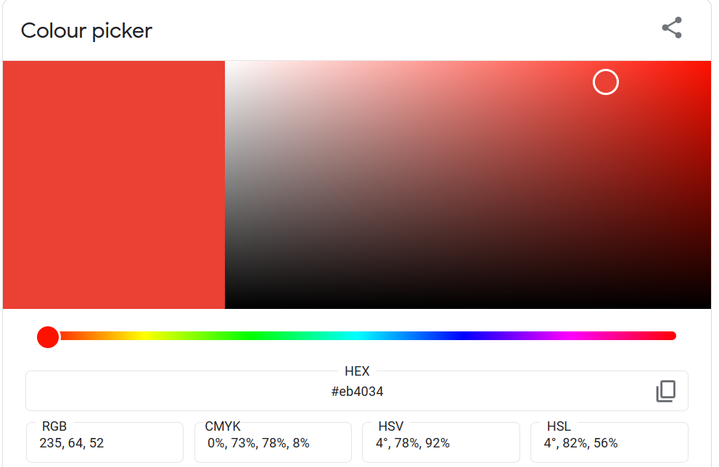
 | ⇰REFERENCE (Website)-->Plotly Discrete Colors in Python Regarding Various Sorts of Colours (Discrete vs Continuous Colors in Plotly)

 | ⇰REFERENCE (Website)--> Plotly Regarding Adjusting Height, Width, & Margins with Plotly Express

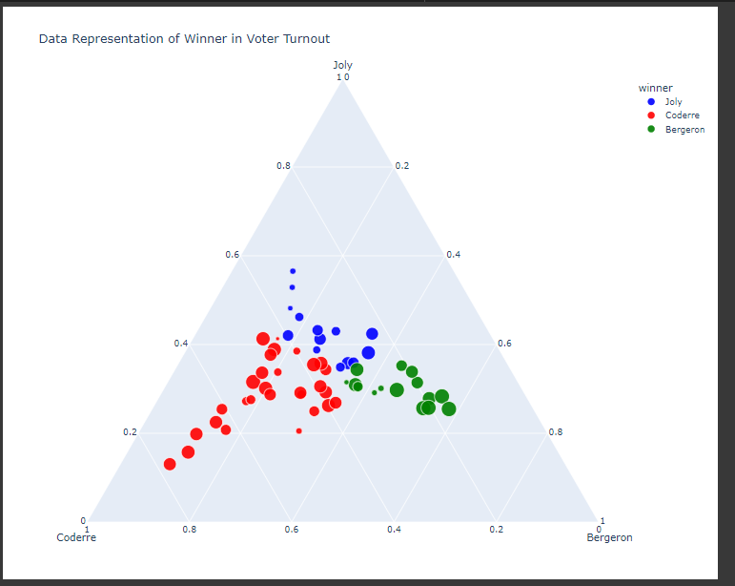 | ⇰REFERENCE (Website)-->Google Colab 1.2 Plotly Intermediate Regarding Practical Implementation Or Coding of Ternary Plot With All Advanced Hyper Parameter

